US Sensor1
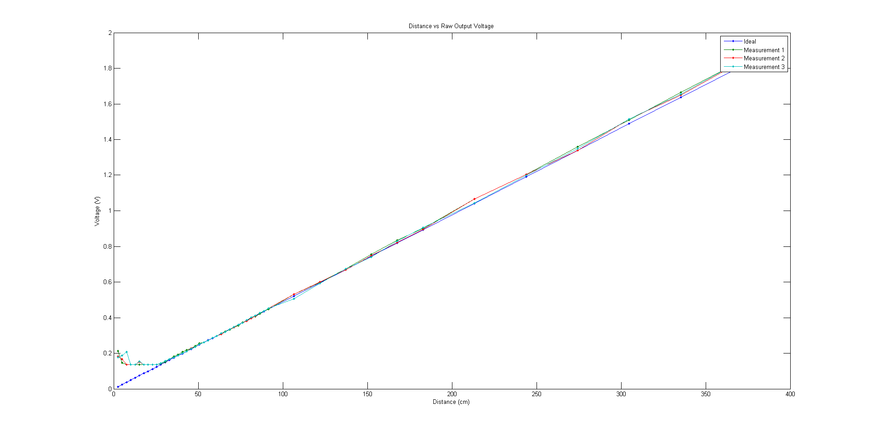
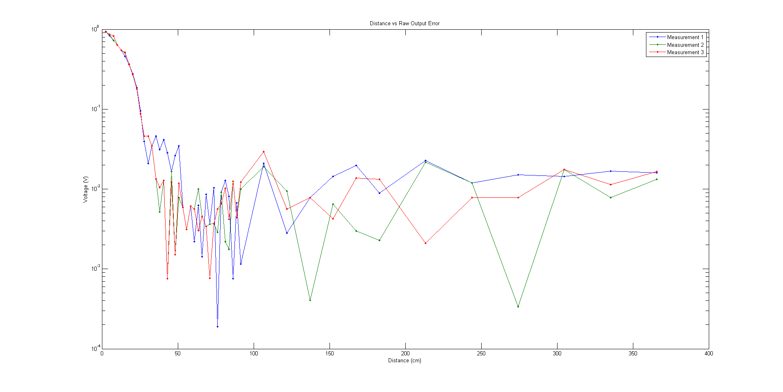
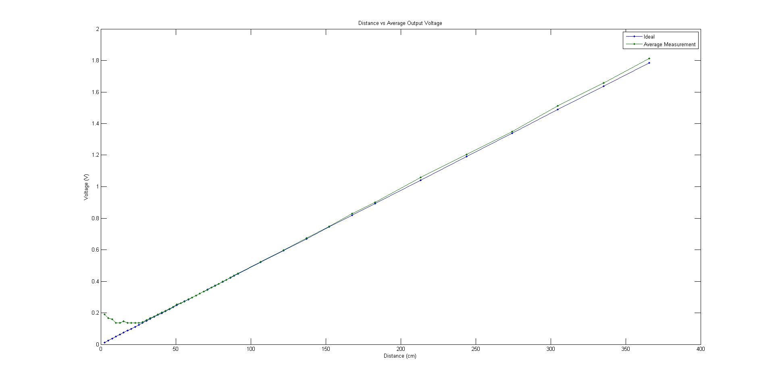
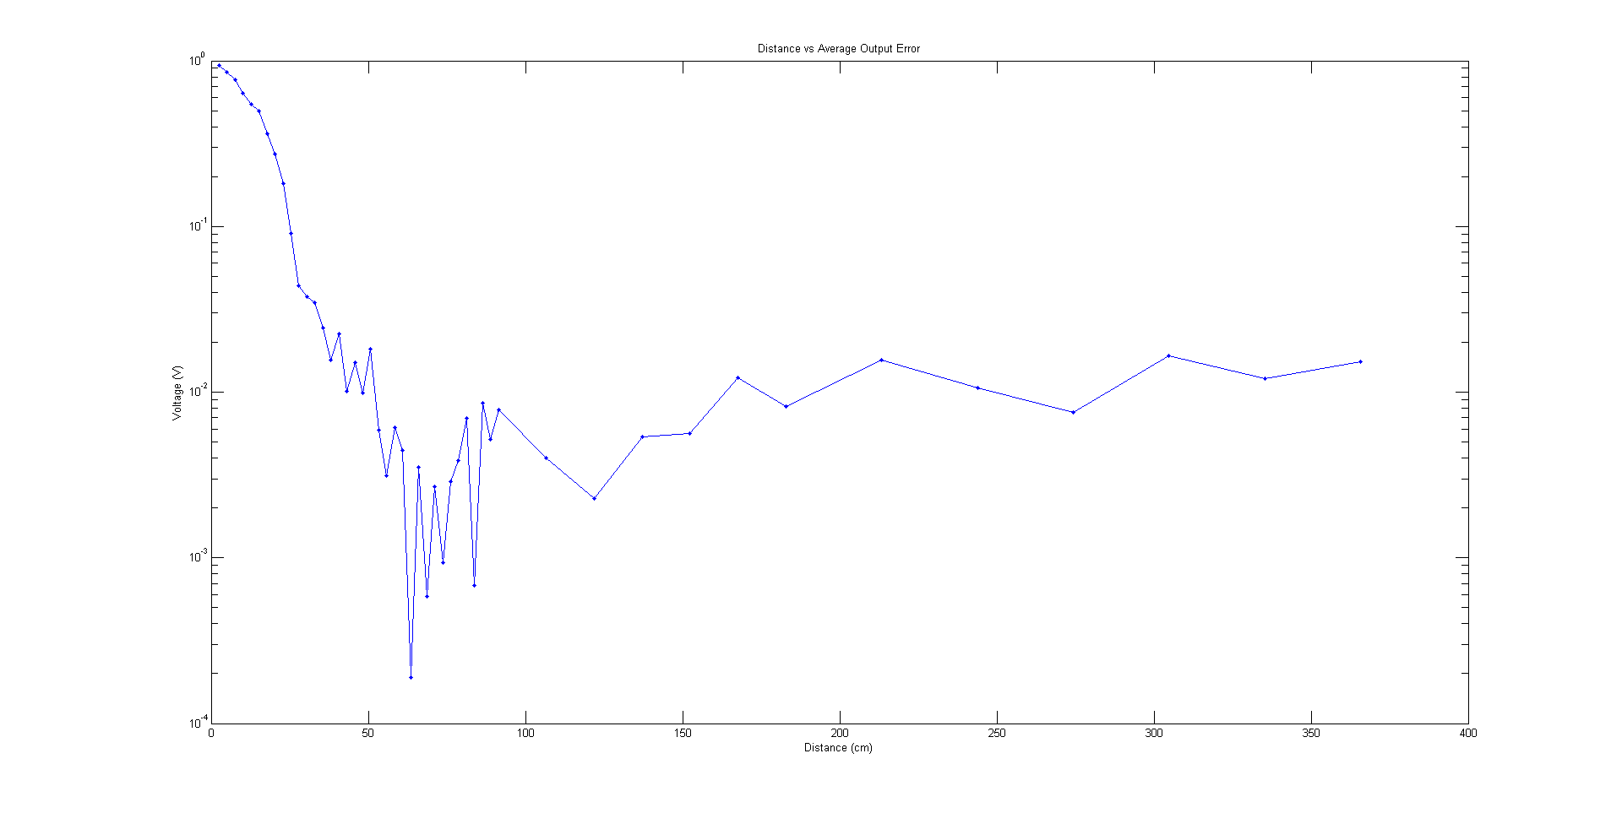
Measurement 1 |  |  |  | Measurement 2 |  |  |  | Measurement 3 |  |  |  | Average |  |  |  | Ideal |  |  |  | Prediction interval
Distance (inch) | cm | m | Analog Value (V) | Distance (inch) | cm | m | Analog Value (V) | Distance (inch) | cm | m | Analog Value (V) | Distance (inch) | cm | m | Analog Value (V) | Distance (inch) | cm | m | Analog Value (V) | Confidence interval
1 | 2.54 | 0.0254 | 0.212 | 1 | 2.54 | 0.0254 | 0.181 | 1 | 2.54 | 0.0254 | 0.176 | 1 | 2.54 | 0.0254 | 0.190 | 1 | 2.54 | 0.0254 | 0.012
2 | 5.08 | 0.0508 | 0.147 | 2 | 5.08 | 0.0508 | 0.167 | 2 | 5.08 | 0.0508 | 0.187 | 2 | 5.08 | 0.0508 | 0.167 | 2 | 5.08 | 0.0508 | 0.025
3 | 7.62 | 0.0762 | 0.137 | 3 | 7.62 | 0.0762 | 0.137 | 3 | 7.62 | 0.0762 | 0.207 | 3 | 7.62 | 0.0762 | 0.160 | 3 | 7.62 | 0.0762 | 0.037
4 | 10.16 | 0.1016 | 0.137 | 4 | 10.16 | 0.1016 | 0.137 | 4 | 10.16 | 0.1016 | 0.136 | 4 | 10.16 | 0.1016 | 0.137 | 4 | 10.16 | 0.1016 | 0.050
5 | 12.7 | 0.127 | 0.137 | 5 | 12.7 | 0.127 | 0.137 | 5 | 12.7 | 0.127 | 0.137 | 5 | 12.7 | 0.127 | 0.137 | 5 | 12.7 | 0.127 | 0.062
6 | 15.24 | 0.1524 | 0.137 | 6 | 15.24 | 0.1524 | 0.152 | 6 | 15.24 | 0.1524 | 0.153 | 6 | 15.24 | 0.1524 | 0.147 | 6 | 15.24 | 0.1524 | 0.074
7 | 17.78 | 0.1778 | 0.137 | 7 | 17.78 | 0.1778 | 0.136 | 7 | 17.78 | 0.1778 | 0.136 | 7 | 17.78 | 0.1778 | 0.136 | 7 | 17.78 | 0.1778 | 0.087
8 | 20.32 | 0.2032 | 0.137 | 8 | 20.32 | 0.2032 | 0.136 | 8 | 20.32 | 0.2032 | 0.136 | 8 | 20.32 | 0.2032 | 0.136 | 8 | 20.32 | 0.2032 | 0.099
9 | 22.86 | 0.2286 | 0.137 | 9 | 22.86 | 0.2286 | 0.136 | 9 | 22.86 | 0.2286 | 0.136 | 9 | 22.86 | 0.2286 | 0.136 | 9 | 22.86 | 0.2286 | 0.112
10 | 25.4 | 0.254 | 0.137 | 10 | 25.4 | 0.254 | 0.136 | 10 | 25.4 | 0.254 | 0.136 | 10 | 25.4 | 0.254 | 0.136 | 10 | 25.4 | 0.254 | 0.124
11 | 27.94 | 0.2794 | 0.142 | 11 | 27.94 | 0.2794 | 0.143 | 11 | 27.94 | 0.2794 | 0.143 | 11 | 27.94 | 0.2794 | 0.143 | 11 | 27.94 | 0.2794 | 0.136
12 | 30.48 | 0.3048 | 0.152 | 12 | 30.48 | 0.3048 | 0.156 | 12 | 30.48 | 0.3048 | 0.156 | 12 | 30.48 | 0.3048 | 0.155 | 12 | 30.48 | 0.3048 | 0.149
13 | 33.02 | 0.3302 | 0.167 | 13 | 33.02 | 0.3302 | 0.167 | 13 | 33.02 | 0.3302 | 0.167 | 13 | 33.02 | 0.3302 | 0.167 | 13 | 33.02 | 0.3302 | 0.161
14 | 35.56 | 0.3556 | 0.182 | 14 | 35.56 | 0.3556 | 0.176 | 14 | 35.56 | 0.3556 | 0.176 | 14 | 35.56 | 0.3556 | 0.178 | 14 | 35.56 | 0.3556 | 0.174
15 | 38.1 | 0.381 | 0.192 | 15 | 38.1 | 0.381 | 0.187 | 15 | 38.1 | 0.381 | 0.188 | 15 | 38.1 | 0.381 | 0.189 | 15 | 38.1 | 0.381 | 0.186
16 | 40.64 | 0.4064 | 0.207 | 16 | 40.64 | 0.4064 | 0.201 | 16 | 40.64 | 0.4064 | 0.201 | 16 | 40.64 | 0.4064 | 0.203 | 16 | 40.64 | 0.4064 | 0.198
17 | 43.18 | 0.4318 | 0.217 | 17 | 43.18 | 0.4318 | 0.211 | 17 | 43.18 | 0.4318 | 0.211 | 17 | 43.18 | 0.4318 | 0.213 | 17 | 43.18 | 0.4318 | 0.211
18 | 45.72 | 0.4572 | 0.227 | 18 | 45.72 | 0.4572 | 0.227 | 18 | 45.72 | 0.4572 | 0.226 | 18 | 45.72 | 0.4572 | 0.227 | 18 | 45.72 | 0.4572 | 0.223
19 | 48.26 | 0.4826 | 0.242 | 19 | 48.26 | 0.4826 | 0.236 | 19 | 48.26 | 0.4826 | 0.236 | 19 | 48.26 | 0.4826 | 0.238 | 19 | 48.26 | 0.4826 | 0.236
20 | 50.8 | 0.508 | 0.257 | 20 | 50.8 | 0.508 | 0.25 | 20 | 50.8 | 0.508 | 0.251 | 20 | 50.8 | 0.508 | 0.253 | 20 | 50.8 | 0.508 | 0.248
21 | 53.34 | 0.5334 | 0.262 | 21 | 53.34 | 0.5334 | 0.262 | 21 | 53.34 | 0.5334 | 0.262 | 21 | 53.34 | 0.5334 | 0.262 | 21 | 53.34 | 0.5334 | 0.260
22 | 55.88 | 0.5588 | 0.272 | 22 | 55.88 | 0.5588 | 0.272 | 22 | 55.88 | 0.5588 | 0.272 | 22 | 55.88 | 0.5588 | 0.272 | 22 | 55.88 | 0.5588 | 0.273
23 | 58.42 | 0.5842 | 0.287 | 23 | 58.42 | 0.5842 | 0.287 | 23 | 58.42 | 0.5842 | 0.287 | 23 | 58.42 | 0.5842 | 0.287 | 23 | 58.42 | 0.5842 | 0.285
24 | 60.96 | 0.6096 | 0.297 | 24 | 60.96 | 0.6096 | 0.296 | 24 | 60.96 | 0.6096 | 0.296 | 24 | 60.96 | 0.6096 | 0.296 | 24 | 60.96 | 0.6096 | 0.298
25 | 63.5 | 0.635 | 0.312 | 25 | 63.5 | 0.635 | 0.307 | 25 | 63.5 | 0.635 | 0.311 | 25 | 63.5 | 0.635 | 0.310 | 25 | 63.5 | 0.635 | 0.310
26 | 66.04 | 0.6604 | 0.322 | 26 | 66.04 | 0.6604 | 0.321 | 26 | 66.04 | 0.6604 | 0.321 | 26 | 66.04 | 0.6604 | 0.321 | 26 | 66.04 | 0.6604 | 0.322
27 | 68.58 | 0.6858 | 0.332 | 27 | 68.58 | 0.6858 | 0.336 | 27 | 68.58 | 0.6858 | 0.336 | 27 | 68.58 | 0.6858 | 0.335 | 27 | 68.58 | 0.6858 | 0.335
28 | 71.12 | 0.7112 | 0.346 | 28 | 71.12 | 0.7112 | 0.346 | 28 | 71.12 | 0.7112 | 0.347 | 28 | 71.12 | 0.7112 | 0.346 | 28 | 71.12 | 0.7112 | 0.347
29 | 73.66 | 0.7366 | 0.356 | 29 | 73.66 | 0.7366 | 0.361 | 29 | 73.66 | 0.7366 | 0.361 | 29 | 73.66 | 0.7366 | 0.359 | 29 | 73.66 | 0.7366 | 0.360
30 | 76.2 | 0.762 | 0.372 | 30 | 76.2 | 0.762 | 0.371 | 30 | 76.2 | 0.762 | 0.37 | 30 | 76.2 | 0.762 | 0.371 | 30 | 76.2 | 0.762 | 0.372
31 | 78.74 | 0.7874 | 0.381 | 31 | 78.74 | 0.7874 | 0.381 | 31 | 78.74 | 0.7874 | 0.387 | 31 | 78.74 | 0.7874 | 0.383 | 31 | 78.74 | 0.7874 | 0.384
32 | 81.28 | 0.8128 | 0.402 | 32 | 81.28 | 0.8128 | 0.396 | 32 | 81.28 | 0.8128 | 0.401 | 32 | 81.28 | 0.8128 | 0.400 | 32 | 81.28 | 0.8128 | 0.397
33 | 83.82 | 0.8382 | 0.406 | 33 | 83.82 | 0.8382 | 0.41 | 33 | 83.82 | 0.8382 | 0.411 | 33 | 83.82 | 0.8382 | 0.409 | 33 | 83.82 | 0.8382 | 0.409
34 | 86.36 | 0.8636 | 0.422 | 34 | 86.36 | 0.8636 | 0.427 | 34 | 86.36 | 0.8636 | 0.427 | 34 | 86.36 | 0.8636 | 0.425 | 34 | 86.36 | 0.8636 | 0.422
35 | 88.9 | 0.889 | 0.437 | 35 | 88.9 | 0.889 | 0.436 | 35 | 88.9 | 0.889 | 0.436 | 35 | 88.9 | 0.889 | 0.436 | 35 | 88.9 | 0.889 | 0.434
36 | 91.44 | 0.9144 | 0.447 | 36 | 91.44 | 0.9144 | 0.451 | 36 | 91.44 | 0.9144 | 0.452 | 36 | 91.44 | 0.9144 | 0.450 | 36 | 91.44 | 0.9144 | 0.446
42 | 106.68 | 1.0668 | 0.532 | 42 | 106.68 | 1.0668 | 0.531 | 42 | 106.68 | 1.0668 | 0.506 | 42 | 106.68 | 1.0668 | 0.523 | 42 | 106.68 | 1.0668 | 0.521
48 | 121.92 | 1.2192 | 0.597 | 48 | 121.92 | 1.2192 | 0.601 | 48 | 121.92 | 1.2192 | 0.592 | 48 | 121.92 | 1.2192 | 0.597 | 48 | 121.92 | 1.2192 | 0.595
54 | 137.16 | 1.3716 | 0.675 | 54 | 137.16 | 1.3716 | 0.67 | 54 | 137.16 | 1.3716 | 0.675 | 54 | 137.16 | 1.3716 | 0.673 | 54 | 137.16 | 1.3716 | 0.670
60 | 152.4 | 1.524 | 0.755 | 60 | 152.4 | 1.524 | 0.749 | 60 | 152.4 | 1.524 | 0.741 | 60 | 152.4 | 1.524 | 0.748 | 60 | 152.4 | 1.524 | 0.744
66 | 167.64 | 1.6764 | 0.835 | 66 | 167.64 | 1.6764 | 0.821 | 66 | 167.64 | 1.6764 | 0.83 | 66 | 167.64 | 1.6764 | 0.829 | 66 | 167.64 | 1.6764 | 0.819
72 | 182.88 | 1.8288 | 0.901 | 72 | 182.88 | 1.8288 | 0.895 | 72 | 182.88 | 1.8288 | 0.905 | 72 | 182.88 | 1.8288 | 0.900 | 72 | 182.88 | 1.8288 | 0.893
84 | 213.36 | 2.1336 | 1.066 | 84 | 213.36 | 2.1336 | 1.065 | 84 | 213.36 | 2.1336 | 1.044 | 84 | 213.36 | 2.1336 | 1.058 | 84 | 213.36 | 2.1336 | 1.042
96 | 243.84 | 2.4384 | 1.205 | 96 | 243.84 | 2.4384 | 1.205 | 96 | 243.84 | 2.4384 | 1.2 | 96 | 243.84 | 2.4384 | 1.203 | 96 | 243.84 | 2.4384 | 1.191
108 | 274.32 | 2.7432 | 1.36 | 108 | 274.32 | 2.7432 | 1.339 | 108 | 274.32 | 2.7432 | 1.35 | 108 | 274.32 | 2.7432 | 1.350 | 108 | 274.32 | 2.7432 | 1.339
120 | 304.8 | 3.048 | 1.51 | 120 | 304.8 | 3.048 | 1.515 | 120 | 304.8 | 3.048 | 1.515 | 120 | 304.8 | 3.048 | 1.513 | 120 | 304.8 | 3.048 | 1.488
132 | 335.28 | 3.3528 | 1.665 | 132 | 335.28 | 3.3528 | 1.65 | 132 | 335.28 | 3.3528 | 1.656 | 132 | 335.28 | 3.3528 | 1.657 | 132 | 335.28 | 3.3528 | 1.637
144 | 365.76 | 3.6576 | 1.815 | 144 | 365.76 | 3.6576 | 1.81 | 144 | 365.76 | 3.6576 | 1.816 | 144 | 365.76 | 3.6576 | 1.814 | 144 | 365.76 | 3.6576 | 1.786

